Title Page

Victorian Active Ageing Partnership
Self-assessment Tool and Resources (SaTR)

Version 2 (December 2019) - U3A

This self-assessment tool has been designed to assist you review and reflect on your current physical activity programs and initiatives for older people, to think about what you are currently doing and if it might need to be improved. The SaTR is based on the VAAP evidence-based best practice framework for engaging older people in physical activity.

The SaTR was developed by a Working Group consisting of the following members:

Ms Lucinda Archer, Maroondah Leisure Centre
Ms Anna Brown, Leisure Networks
Mr Darren Cunningham, Melton City Council
Mr Tom Dixon, VicSport
Ms Katie Goodrope, Southern Metro Regional Diversity Adviser (auspiced by Bayside City Council)
Ms Robyn Grant, Sunbury Community Health Service
Ms Maureen McConnell, Community Houses Association of the Outer Eastern Suburbs Inc.
Ms Elsie Mutton, U3A Network Victoria
Mr Richard Stone, Warrnambool City Council
Ms Carol Syer, Monash Aquatic and Recreation Centre
Mr Clint Wilkie, Caulfield Community Health Service

The development of the SaTR was also overseen and supported by the Victorian Active Ageing Partnership Project Advisory Group consisting of the following organisations:

© 2019 Musculoskeletal Australia Ltd. This tool is available freely for use, but no change or alteration should be made to it without the written permission of Musculoskeletal Australia

User Guide
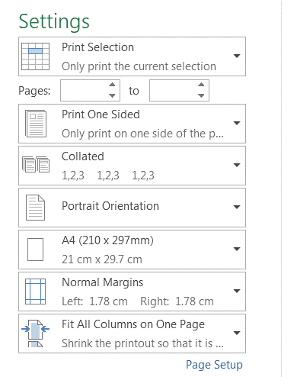
Victorian Active Ageing Partnership
Self-assessment Tool and Resources (SaTR) for Engaging Older People in Physical Activity

 | Before commencing the use of the Self-assessment Tool and Resources, it is recommended that you view a short video (6:39) that will demonstrate how to use the tool. Click on the image here to open the link and view the video. Alternatively, you can read and follow the written instructions below.
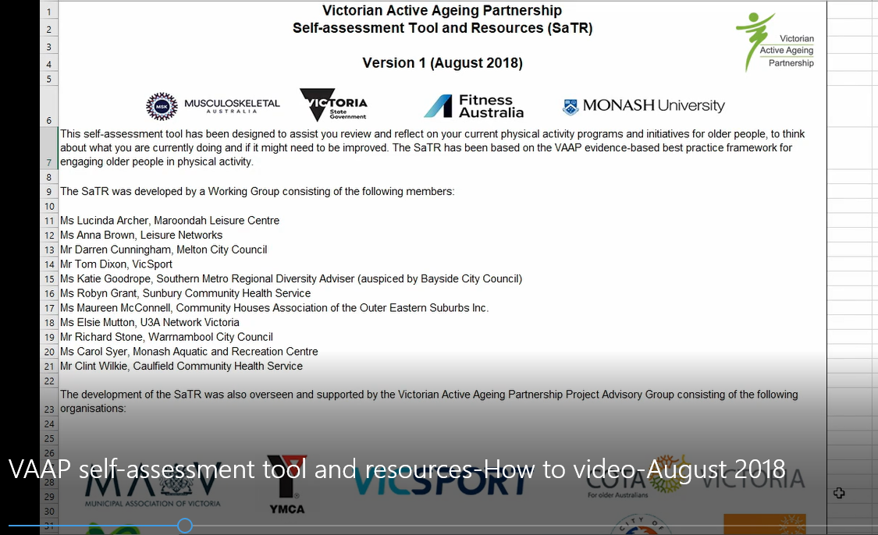

1 | The self-assesment tool is broken up into five sections: Firstly the 'Introduction' and 'User Guide', followed by the domains of 'Organisations', 'Programs' and 'Leaders'.
 | Click on each tab to open up each worksheet.

2 | Hover your mouse over the red triangle within the criteria column for further information and prompts.
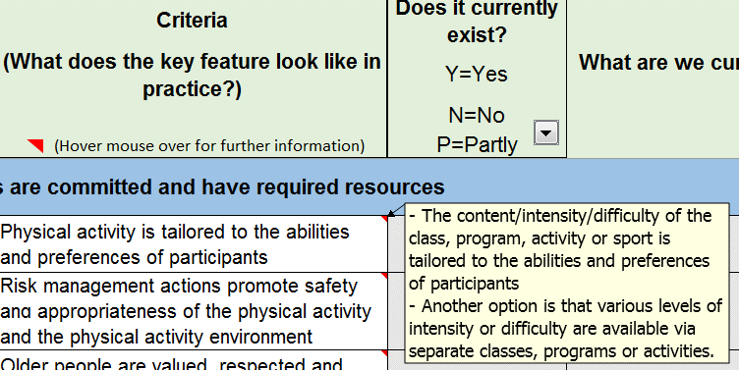

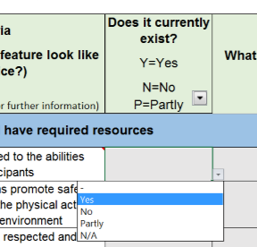
3 | Click on the cell in the 'Does it currently exist?' column to reveal a drop down menu and select a response for each criterion.

4 | Click on the appropriate cell under the heading 'What are we currently doing well? What might we need to improve?' and begin typing your response.
 | The cell is set to 'Wrap text' which will show your whole response. If you would like to reduce the size of the cell and only show the beginning of your response, right click the cell,
 | select 'Format cell' and under the 'Alignment' tab untick the 'Wrap text' box.

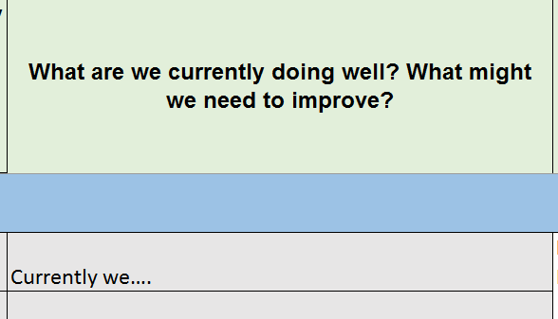

5 | Click on the the hyperlinked wording 'Helpful Tips and Resources' in the last coloum to be redirected to further information that may assist you in improving in that particular criterion.
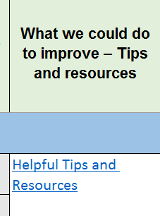

6 | To save your file, click on 'FILE' in the top left hand corner, click 'Save as', and choose the location and name the file, then click 'SAVE'.
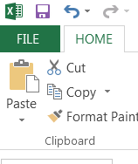
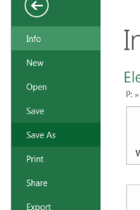

7 | To print the document, select the sheet you want to print, select the cells you want to print, click 'FILE', and click 'Print'. Under the setting tab, select ' Print Selection' and
 | 'Fit All Columns on One Page'.

